dashboard



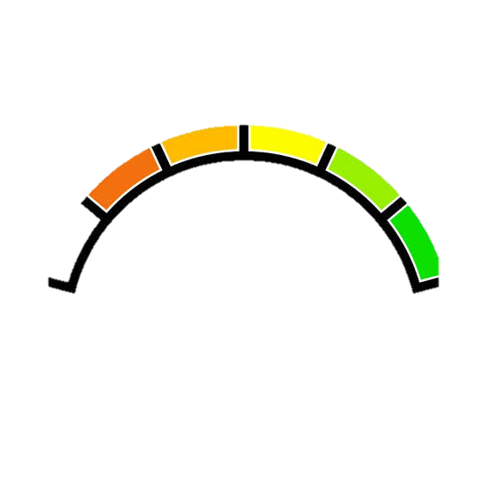
 | Total
MGO | 12131.9
 | Total
Jan | 704
Feb | 642.4
Mar | 375.9
Apr | 690.7
May | 522.9
Jun | 436.5
Jul | 444.1
Aug | 419.5
Sep | 501.7
Oct | 667.9
Nov | 362.8
Dec | 650.4
 | Total
Sea Queen | 3681124.36
 | Total
Rain | 1659.2
 | Total
Yes | 97
 | Total
Sea Queen | 68.51864
🚢 Fleet Strength
81
📊 Fuel Efficiency Index
65.72231
🛳️ Voyage Operations
1000
⚠️ Delayed Trips
742
✅ Successful Trips
257
Fuel Type-wise Consumption
Monthly Fuel Consumption Trend
Ship-Wise Fuel Cost
Weather-Wise Fuel Consumption
Delay Analysis
Average Fuel Efficieny
⛽ Utilization
50023.9
💰 Bunker Cost Overview
28895137.79
marine fuel fleet consumption
select ship name
Key Insight:
Fuel consumption varies across ships and weather conditions, impacting overall fleet efficiency.

performance overview of marine fleet operation

 | w

